EVD_SCO01-04
Test Case ID | 04
Test Case Summary | Lakukan entry simulasi dengan kriteria sesuai DP-05

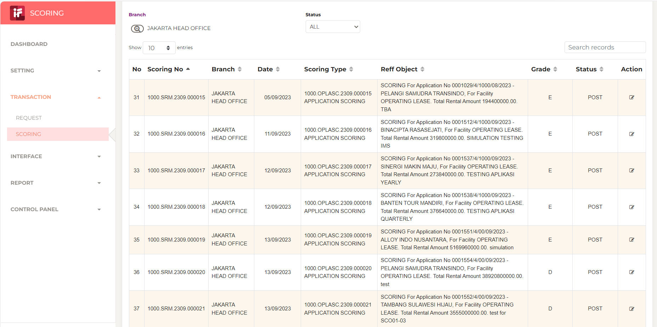
Step # | Test Evidence | Re-Test Evidence (if found Bug/Issue)
1

2
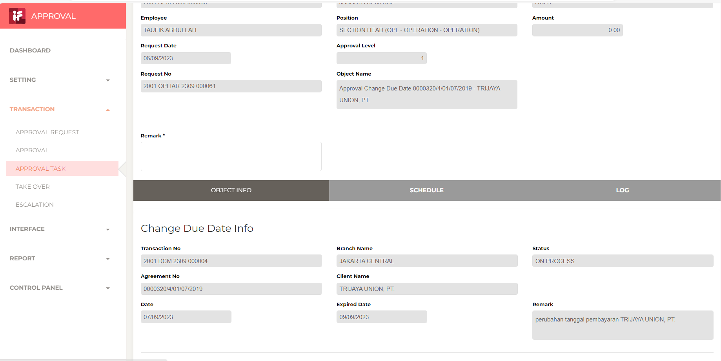

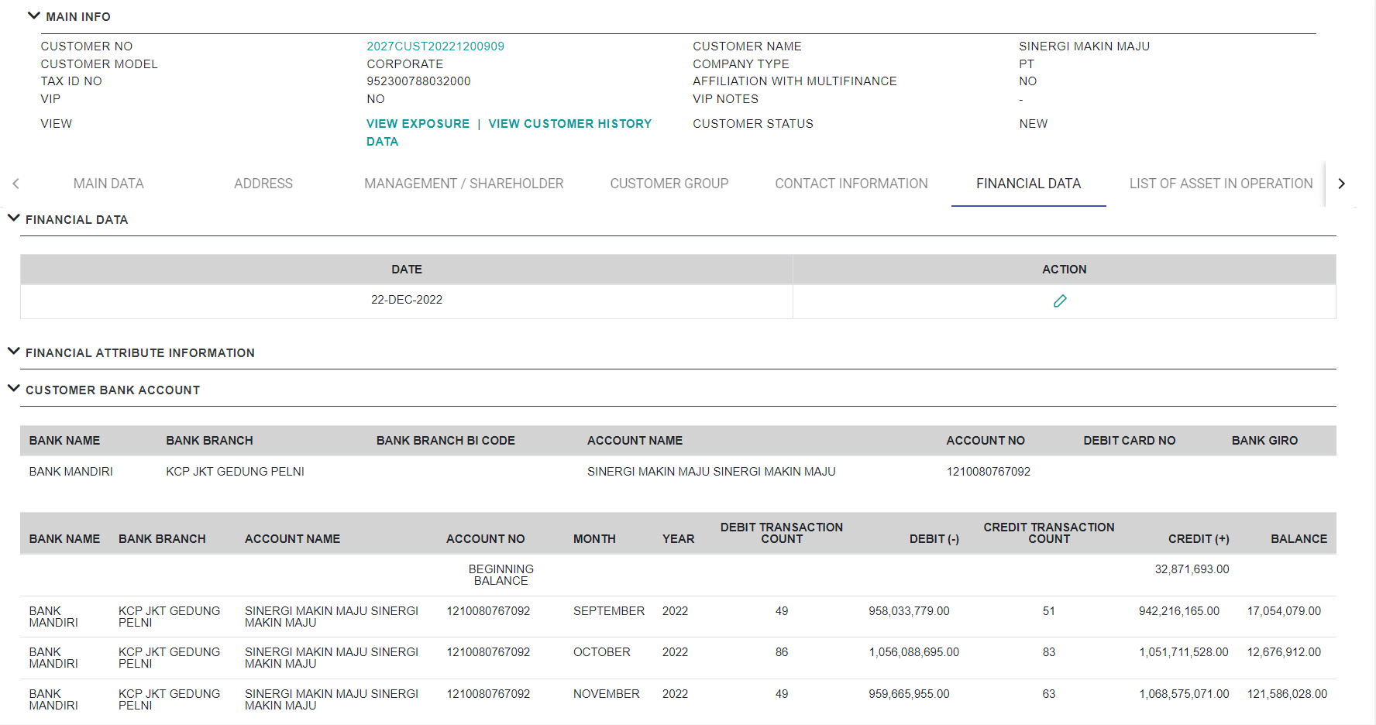
3

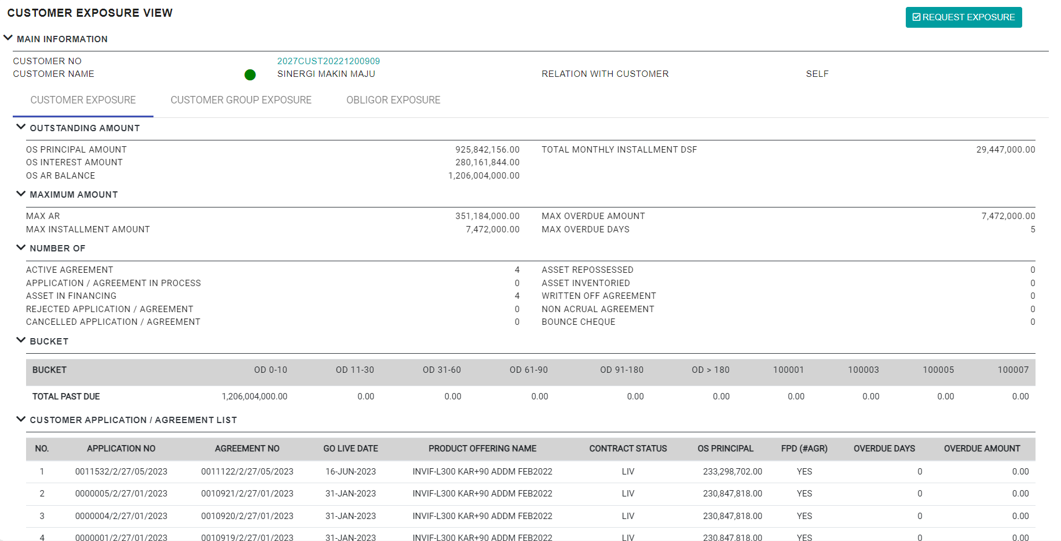

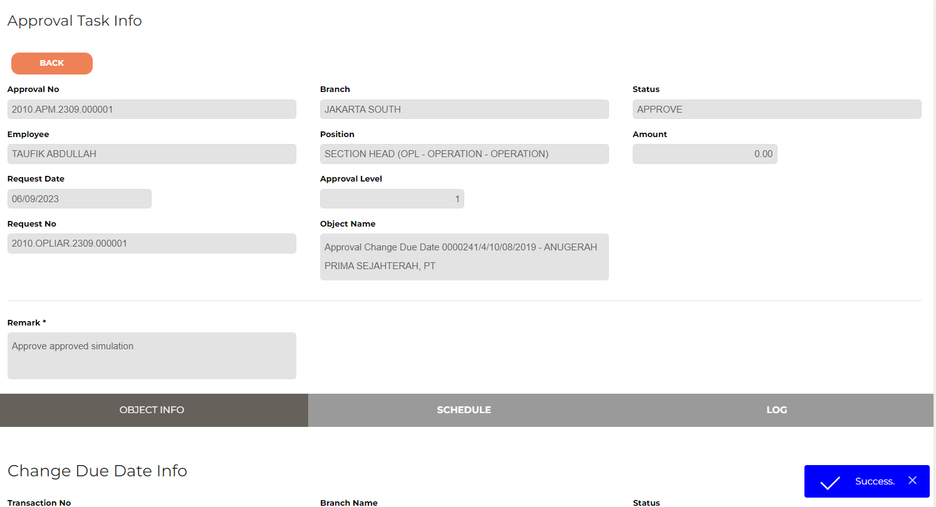
4

5

6

7

8

9

10

11

12

13

14

15

16

